codebook
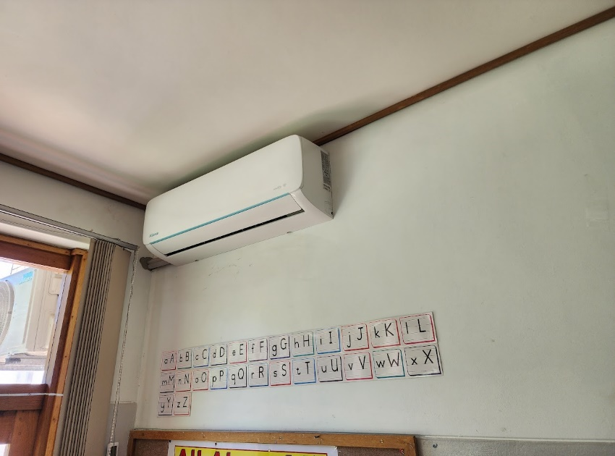
Pictured: Aircon in classroom
Building Sensor Data
Index | Value | Description |  | Classroom Type | School | Room Numbers | Configuration | w [m] | l [m] | h [m] | Ceiling | Wall | Floor | Air Conditioning Methods
Date | yyyy/mm/dd | Date in [yyyy/mm/dd] format |  | Container, No Insulation | 1 | 1, 2 | Figure 1 | 7.155 | 11.955 | 2.665 | Sheets | Sheets | Non-slip epoxy | Aircon x2
Time | HH:MM:SS | Time in [HH:MM:SS] format |  | Container, With Insulation | 1 | 1 | Figure 1 | 7.125 | 11.825 | 2.685 | Sheets | Sheets | Non-slip epoxy | Aircon x2
Classroom Type | Container No Insulation | Shipping containers converted to be used as school classrooms, without insulation. |  | Mobile/Prefab | 2 | 1 | Figure 1 | 8.435 | 7.242 | 2.65 | Sheets | Sheets | Laminated wood
 | Container With Insulation | Shipping containers which were converted to be used as school classrooms, with decorative wood panels on the front and back. Wood panels were installed for decorative puposes but leaves a resulting insulating effect on indoor conditions. |  |  |  | 2 | Figure 2 | 7.165 | 7.665 | h1: 2.480 h2: 3.135 | Sheets | Sheets | Vinyl
 | Mobile/Prefab | Prefabricated classrooms which were designed and manufactured by dedicated companies, intended as classrooms. Insulated with polyurethane foam and coated with Aluzinc painted steel . |  | Brick, First Floor | 1 | 1 | Figure 1 | 6.855 | 6.93 | 3.07 | Concrete, painted | Brick | Linoleum | Ceiling fan x2
 | Brick First Floor | First-floor classroom in a two-story brick building. |  |  |  | 2 | Figure 1 | 7.025 | 9.1 | 3.07 | Concrete, painted | Brick | Linoleum | Ceiling fan x2
 | Brick Second Floor | Second-floor classroom in a two-story brick building. |  |  |  | 6 | Figure 1 | 6.855 | 9.185 | 3.07 | Concrete, painted | Brick | Linoleum | Ceiling fan x2
 | Brick Single Story | Classroom in a single-story brick building. |  |  |  | 7 | Figure 1 | 6.83 | 11.13 | 3.045 | Concrete, painted | Brick | Linoleum | Ceiling fan x2
Classroom Category | Temporary | Container and prefab classrooms |  |  | 2 | 3, 4, 5 | Figure 1 | 6.828 | 6.882 | 2.941 | Concrete, painted | Brick | Wood
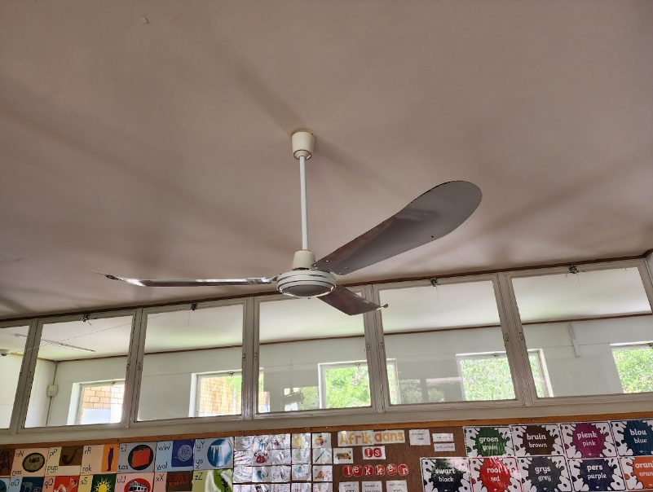
Pictured: Ceiling fan in classroom
 | Permanent | Brick building classrooms |  | Brick, Second Floor | 1 | 1, 3 | Figure 1 | 7 | 6.91 | 3.165 | Drywall, painted | Brick | Linoleum | Ceiling fan x2, Aircon x1
Room No | Numeric value | Room number within specific classroom type |  |  |  | 2, 8 | Figure 1 | 6.865 | 6.94 | 3.165 | Drywall, painted | Brick | Linoleum | Ceiling fan x2, Aircon x1
Device Code | Numeric value | Sensing device code (hardware number) |  |  |  | 4 | Figure 1 | 6.85 | 6.87 | 3.165 | Drywall, painted | Brick | Linoleum | Ceiling fan x2, Aircon x1
School No | 1 | School 1 |  |  |  | 9 | Figure 1 | 6.98 | 6.9 | 3.21 | Drywall, painted | Brick | Linoleum | Ceiling fan x2, Aircon x1
 | 2 | School 2 |  |  |  | 10 | Figure 1 | 6.82 | 6.935 | 3.18 | Drywall, painted | Brick | Linoleum | Ceiling fan x2, Aircon x1
Grade | Numeric value | Grade of learners in classroom, 0 to 7. '0' refers to pre-primary. |  |  |  | 11, 12 | Figure 1 | 6.845 | 6.9 | 3.175 | Drywall, painted | Brick | Linoleum | Ceiling fan x2, Aircon x1
Measured T | Numeric value | Measured temperature [C] |  |  | 2 | 5, 6, 7 | Figure 1 | 6.93 | 7.055 | 3.04 | Suspended ceiling | Brick | Wood
Measured RH | Numeric value | Measured relative humidity [%] |  | Brick, Single Story | 1 | 1 | Figure 1 | 7 | 8.115 | 3.065 | Drywall, painted | Brick | Vinyl | Ceiling fan x2, Aircon x1
Measured CO2 | Numeric value | Measured CO2 concentration [ppm] |  |  |  | 2 | Figure 1 | 6.865 | 8.165 | 3.065 | Drywall, painted | Brick | Vinyl | Ceiling fan x2, Aircon x1
Measured PM1.0 | Numeric value | Measured PM1.0 [ug/m3] |  |  |  | 3 | Figure 1 | 6.8 | 8.145 | 3.075 | Drywall, painted | Brick | Vinyl | Ceiling fan x2, Aircon x1
Measured PM2.5 | Numeric value | Measured PM2.5 [ug/m3] |  |  |  | 4 | Figure 1 | 9.1 | 8.125 | 3.075 | Drywall, painted | Brick | Vinyl | Ceiling fan x2, Aircon x1
Measured PM10 | Numeric value | Measured PM10 [ug/m3] |  |  |  | 5 | Figure 1 | 7.025 | 8.165 | 3.06 | Drywall, painted | Brick | Vinyl | Ceiling fan x2, Aircon x1
School Day | Y | School day |  |  |  | 7 | Figure 1 | 6.845 | 8.14 | 3.085 | Drywall, painted | Brick | Vinyl | Ceiling fan x2, Aircon x1
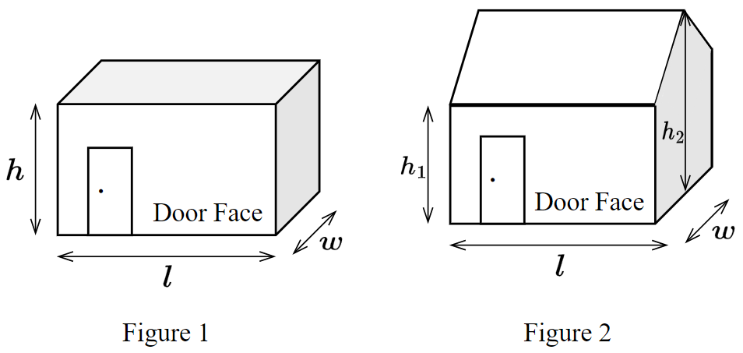
 | N | Weekend, public holiday or school holiday (no school)
School Hours | Y | School hours on school day (includes break times) |  | Category | Parameter | School 1 | School 2
 | N | After hours or non-school day |  | School Hours | School start | 7:45:00 | 7:45:00
Break Time | Y | Break time on school day |  |  | First lesson start | 7:50:00 | 7:50:00
 | N | Lesson time/after hours on school day, or non-school day |  |  | First break | 09:50-10:10 | 10:20-10:40
Power On | Y | Power on |  |  | Second break | 12:10-12:30 | 12:40-13:00
 | N | Power off/load shedding |  |  | School ends | 14:00:00 | 14:00:00
Outdoor Temperature | Numeric value | Ambient temperature [C]

SAURAN Solar Radiometric Data
Index | Value | Description
TrackerWM_Avg | Numeric value | Direct Normal Irradiance (DNI)
Tracker2WM_Avg | Numeric value | Direct Normal Irradiance (DNI) (not installed anymore)
ShadowWM_Avg | Numeric value | Diffuse Horizontal Irradiance (DHI)
SunWM_Avg | Numeric value | Global Horizontal Irradiance (GHI)
ShadowbandWM_Avg | Numeric value | Diffuse Horizontal Irradiance (DHI) Shadow Band
DNICalc_Avg | Numeric value | Calculated Direct Normal Irradiance (DNI)
AirTC_Avg | Numeric value | Temperature
RH | Numeric value | Relative Humidity
WS_ms_S_WVT | Numeric value | Wind Speed
WindDir_D1_WVT | Numeric value | Wind Direction
WindDir_SD1_WVT | Numeric value | Wind Direction Standard Deviation
BP_mB_Avg | Numeric value | Barometric Pressure
UVA_Avg | Numeric value | Average UV A
UVB_Avg | Numeric value | Average UV B
BattV_Min | Numeric value | 12V Battery minimum
Batt24V_Min | Numeric value | 24V Battery minimum

Open-Meteo Data
Variable | Valid time | Unit | Description
temperature_2m | Instant | °C (°F) | Air temperature at 2 meters above ground
relative_humidity_2m | Instant | % | Relative humidity at 2 meters above ground
dew_point_2m | Instant | °C (°F) | Dew point temperature at 2 meters above ground
apparent_temperature | Instant | °C (°F) | Apparent temperature is the perceived feels-like temperature combining wind chill factor, relative humidity and solar radiation
pressure_msl | Instant | hPa | Atmospheric air pressure reduced to mean sea level (msl) or pressure at surface. Typically pressure on mean sea level is used in meteorology. Surface pressure gets lower with increasing elevation.
surface_pressure
precipitation | Preceding hour sum | mm (inch) | Total precipitation (rain, showers, snow) sum of the preceding hour. Data is stored with a 0.1 mm precision. If precipitation data is summed up to monthly sums, there might be small inconsistencies with the total precipitation amount.
rain | Preceding hour sum | mm (inch) | Only liquid precipitation of the preceding hour including local showers and rain from large scale systems.
snowfall | Preceding hour sum | cm (inch) | Snowfall amount of the preceding hour in centimeters. For the water equivalent in millimeter, divide by 7. E.g. 7 cm snow = 10 mm precipitation water equivalent
cloud_cover | Instant | % | Total cloud cover as an area fraction
cloud_cover_low | Instant | % | Low level clouds and fog up to 2 km altitude
cloud_cover_mid | Instant | % | Mid level clouds from 2 to 6 km altitude
cloud_cover_high | Instant | % | High level clouds from 6 km altitude
shortwave_radiation | Preceding hour mean | W/m² | Shortwave solar radiation as average of the preceding hour. This is equal to the total global horizontal irradiation
direct_radiation | Preceding hour mean | W/m² | Direct solar radiation as average of the preceding hour on the horizontal plane and the normal plane (perpendicular to the sun)
direct_normal_irradiance
diffuse_radiation | Preceding hour mean | W/m² | Diffuse solar radiation as average of the preceding hour
global_tilted_irradiance | Preceding hour mean | W/m² | Total radiation received on a tilted pane as average of the preceding hour. The calculation is assuming a fixed albedo of 20% and in isotropic sky. Please specify tilt and azimuth parameter. Tilt ranges from 0° to 90° and is typically around 45°. Azimuth should be close to 0° (0° south, -90° east, 90° west). If azimuth is set to "nan", the calculation assumes a horizontal tracker. If tilt is set to "nan", it is assumed that the panel has a vertical tracker. If both are set to "nan", a bi-axial tracker is assumed.
sunshine_duration | Preceding hour sum | Seconds | Number of seconds of sunshine of the preceding hour per hour calculated by direct normalized irradiance exceeding 120 W/m², following the WMO definition.
wind_speed_10m | Instant | km/h (mph, m/s, knots) | Wind speed at 10 or 100 meters above ground. Wind speed on 10 meters is the standard level.
wind_speed_100m
wind_direction_10m | Instant | ° | Wind direction at 10 or 100 meters above ground
wind_direction_100m
wind_gusts_10m | Instant | km/h (mph, m/s, knots) | Gusts at 10 meters above ground of the indicated hour. Wind gusts in CERRA are defined as the maximum wind gusts of the preceding hour. Please consult the ECMWF IFS documentation for more information on how wind gusts are parameterized in weather models.
et0_fao_evapotranspiration | Preceding hour sum | mm (inch) | ET₀ Reference Evapotranspiration of a well watered grass field. Based on FAO-56 Penman-Monteith equations ET₀ is calculated from temperature, wind speed, humidity and solar radiation. Unlimited soil water is assumed. ET₀ is commonly used to estimate the required irrigation for plants.
weather_code | Instant | WMO code | Weather condition as a numeric code. Follow WMO weather interpretation codes. See table below for details. Weather code is calculated from cloud cover analysis, precipitation and snowfall. As barely no information about atmospheric stability is available, estimation about thunderstorms is not possible.
snow_depth | Instant | meters | Snow depth on the ground. Snow depth in ERA5-Land tends to be overestimated. As the spatial resolution for snow depth is limited, please use it with care.
vapour_pressure_deficit | Instant | kPa | Vapor Pressure Deificit (VPD) in kilopascal (kPa). For high VPD (>1.6), water transpiration of plants increases. For low VPD (<0.4), transpiration decreases
soil_temperature_0_to_7cm | Instant | °C (°F) | Average temperature of different soil levels below ground.
soil_temperature_7_to_28cm
soil_temperature_28_to_100cm
soil_temperature_100_to_255cm
soil_moisture_0_to_7cm | Instant | m³/m³ | Average soil water content as volumetric mixing ratio at 0-7, 7-28, 28-100 and 100-255 cm depths.
soil_moisture_7_to_28cm
soil_moisture_28_to_100cm
soil_moisture_100_to_255cm

